1. Title Page
Grocery Basket Analysis

Project Name: Instacart Grocery Basket Analysis
Date: July 29, 2023
Analyst Name: Rebecca Crowe

Contents:
Population Flow
Consistency checks
Wrangling steps
Column derivations
Visualizations
Recommendations

Source Data:
“The Instacart Online Grocery Shopping Dataset 2017”, Accessed from www.instacart.com/datasets/grocery-shopping-2017 via Kaggle on Jun 23, 2023.

2. Population Flow
Title page

Population flow

Exclusion flag
Condition: max_order <= 5 ('low activity customer)
Observations to be removed: 2,233,435
Final total count of order_products_all: 30,171,424; 37

Orders_products_combined
Orders_products_merged
Orders_products_all

Total: 32,404,859; 32
Total: 32,404,859; 17
Total: 32,404,859; 31

1.) The grey boxes in the first row of the population flow represent the original data sets as they were when you downloaded them. In the Total fields you need to add the count of the rows when you imported the data set into Jupyter.
2.) The second row of boxes (coloured) represents the data sets after you manipulated them, e.g., removed missing values and duplicates. In the Total fields you need to add the count of the rows after conducting these operations. This offers a visual overview of how the data flows throughout the data consistency checks.
3.) The third row, where also the arrows are coloured, represents the merges you performed between the datasets. In the Total fields you need to add the count of the rows in the merged datasets, so that you end up with the final dataset (in the red box). Keep in mind the final dataset should be without exclusions (based on the exclusion flag).

3. Consistency checks
 |  |  |  | Title page
Consistency checks

Dataset | Missing values | Missing values treatment | Duplicates
orders | Associated with order_id | Determined to be associated with first time orders; no action taken | None found
products | 16 from product_name | Removed the 16 products with a null response | Removed 5 full duplicates from products
orders_products_prior | None found |  | None found
customers | first names | 11,259 first names missing; no action taken
ords_prods_all | Days since prior Order '1' is all zeroes | No treatment; this confirmed our previous assumption that order 1 is the first order for new customers, thus there would not be any previous orders.

4. Wrangling steps
 |  |  |  | Title page
Wrangling steps

Columns dropped | Columns renamed | Columns' type changed | Comment/Reason
eval_set from df_ords | order_dow' changed to 'orders_day_of_week' | 'order_id' changed to string | dow not intuitive; changed to day of week
 | 'orders_day_of_week' to 'order_day_of_week' | 'user_id' changed to string | changed from orders (plural) to order (singular)
 | Surnam changed to Last Name
First Name | renamed to first_name for consistency |  | PII removed, not necessary
Last Name |  |  | PII removed, not necessary
 | n_dependants to dependants |  | name too long and not intuitive
 |  | user_id' changed to string in merged file
_merge column dropped
 |  | first_names changed to string

5. Column derivations
 |  |  |  | Title page

Column derivations and aggregations

In this tab you should add tables below that the frequences of flags/label variables that you produced after deriving them. NB: don't do this for continuous variables, only for flags.
Dataset | New column | Column/s it was derived from | Conditions
ords_prods_merge | max_order | user_id & order_number | Maximum number of orders
ords_prods_merge | loyalty_flag | max_order | Max_order>40 = loyal customer max_order <=40 & >10 = regular customer max_order <=10 = new customer
ords_prods_merge | ave_spend | user_id & prices | mean of prices
ords_prods_merge | spending_flag | ave_spend | ave_spend<10=low spender ave_spend>=10=highe spender
ords_prods_merge | median_order | user_id & days_since_prior_order | median of frequency of ordering
ords_prods_merge | frequency_flag | median_order | median_order>20=non-frequent customer median_order<=20 & >10=regualr customer median_order <= 10 = frequent customer
df_all_high | cust_profile | age_group_loc & dep_group_loc | Younger age & Yes dependants
df_all_high | cust_profile | age_group_loc & dep_group_loc | Middle age & yes dependants
df_all_high | cust_profile | age_group_loc & dep_group_loc | Older age & yes dependants
df_all_high | cust_profile | age_group_loc & fam_status | Younger & Single
df_all_high | cust_profile | age_group_loc & fam_status | Middle age & Single
df_all_high | cust_profile | age_group_loc & fam_status | Older age & Single
df_all_high | dep_group_loc | dependants | yes or no depndants
df_all_high | income_group_loc | income | Low income middle income high income

6. Visualizations
 |  |  |  |  | Title page

Visualisations

In this tab you should include all the visualtions from Exercises 4.9 and 4.10, alongside the questions from the project brief that they answer. Include any commentary on the relationship between different variables.


Orders Placed by Day of Week
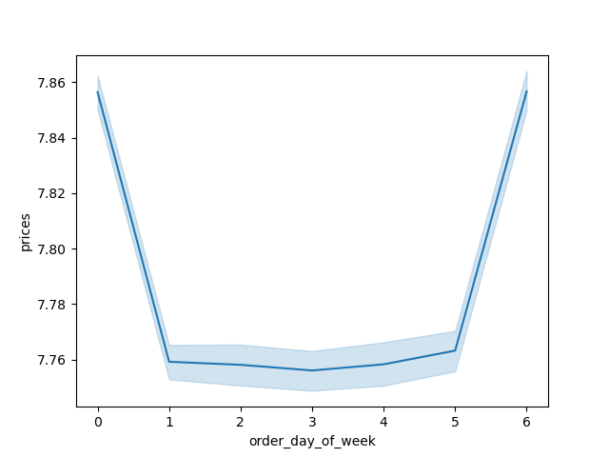
Prices Spent by Day of Week

 | Legend
 | 0 - Saturday |  |  | Q: What are the busiest days of the week? A: The busiest days of the week are Saturday and Sunday; the least busiest days are Tuesday and Wednesday. That makes them good days for the Sales team to schedule things like "Flash Sales" or promotions only good for 12-24 hours. Targeted ads for promoting departments and increasing sales will see the most customers on the busiest days of Saturday and Sunday. Additionally, not only are more orders placed on Saturday, but spend is more on that days as well. However, Friday (which is the 3rd most frequent day where orders are placed) does have more spend than Sundays.
 | 1 - Sunday
 | 2 - Monday
 | 3- Tuesday
 | 4 -Wednesday
 | 5 - Thursday
 | 6 - Friday

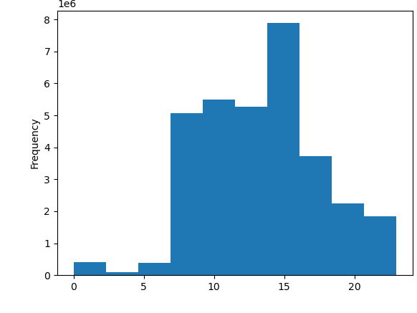

Orders Placed by Time of Day
Amount Spent by Time of Day
 | Legend
 | 0 - 12am | 12 - 12 pm |  | Q: Are there particular times of the day when people spend the most money? A: Customers place the most orders by a considerable amount during the 2 pm - 3pm hours. This would be good times for the Sales team to advertise specific products to either increase sales of those items, or continue to promote the most popular items. Interestingly, customers purchase higher price items in the earliest hours of the day: midnight, and between 2am-6am
 | 1- 1am | 13 - 1pm
 | 2 - 2am | 14 - 2pm
 | 3 - 3am | 15 - 3pm
 | 4 - 4am | 16 - 4pm
 | 5 - 5am | 17 - 5pm
 | 6 - 6am | 18 - 6pm
 | 7 - 7am | 19 - 7pm
 | 8 - 8am | 20 - 8pm
 | 9 - 9am | 21-9pm
 | 10 - 10am | 22 - 10 pm
 | 11 - 11am | 23 - 11pm

Frequency of price points



 |  |  | Q: Instacart has a lot of products with different price tags. Can we use simpler price range grouping to help direct our efforts? A: Customers frequent goods that cost less than 15 dollars. Sales drop off considerably over 15 suggesting there are higher priced products that could be dropped/discontinued without an overall negative impact to sales.

Price of goods sold

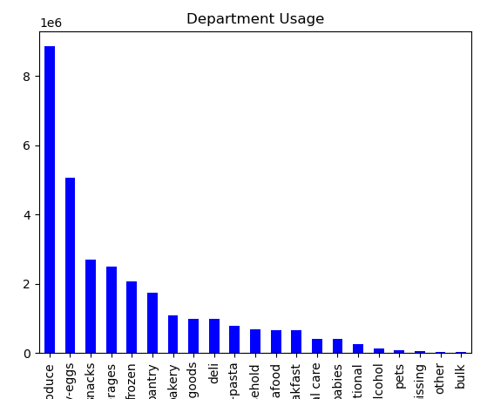
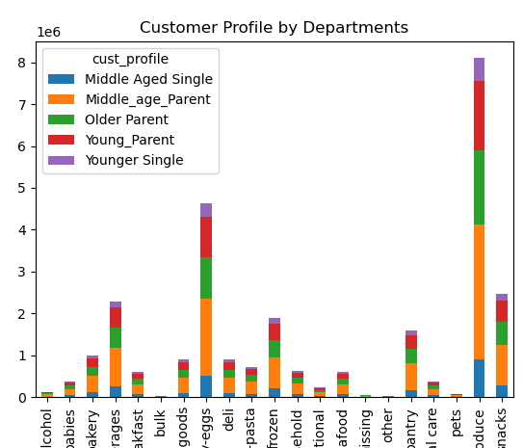

 |  |  |  | Q: Are there certain types of products that are more popular than others? A: Produce has the most sales followed by dairy-eggs. Promotions of these items in less frequent days of sales or hours of the day could potentially increase usage during those times to keep the system from bogging down.

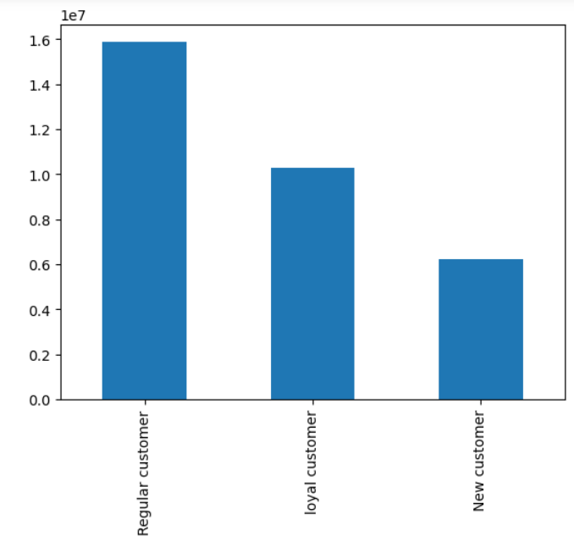

 |  |  | Q: What's the distribution among users in regards to their brand loyalty? A: Customers who have placed more than 40 orders are considered loyal customers. There are 10,284,093 loyal customers. Regular customers have ordered between 10 and 40 times and make up the majority of the customers; there are 15,876,776 regulars. New customers have placed fewer than 10 orders; there are 6,243,990.

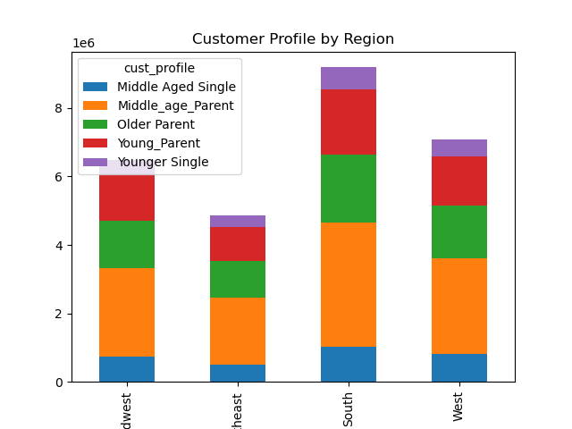

 |  |  | Q: Are there differences in ordering habits based on a customer's region? A: Customers are predominantly located in the South states which include: Delaware, Maryland, District of Columbia, Virginia, West Virginia, North Carolina, South Carolina, Georgia, Florida, Kentucky, Tennessee, Mississippi, Alabama, Oklahoma, Texas, Arkansas, and Louisiana. This region consists of more middle-aged parents as it's primary demographic. When looking at what departments different regions are spending their money in, we can see that produce, our most popular department, is a favorite for the South region; South also has predominant sales in dairy-eggs and beverages.

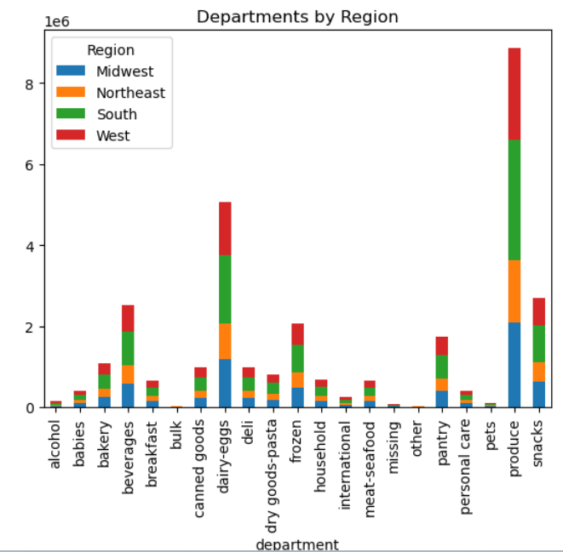

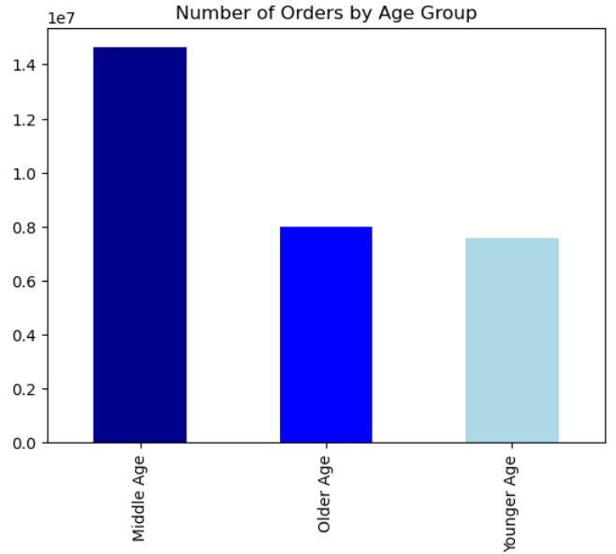

 |  |  | Q: What different classifications/ordering habits are suggested by customer age? A: Middle Aged customers are defined as between 34 and 64. This age demogragraphics places the most amount of orders. Our older age population (65+) and younger (18-33) are fairly even in the amount of orders they place.

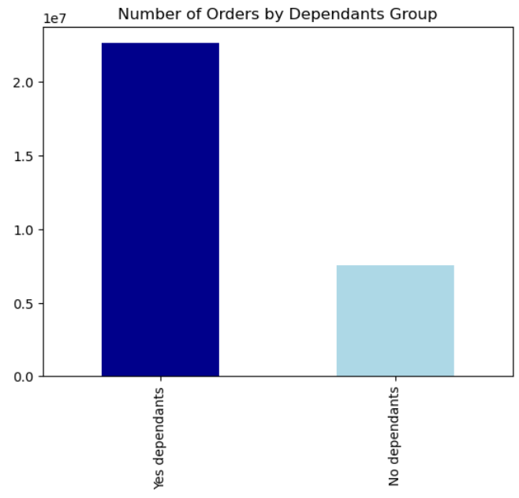

 |  |  | Q: Is there a connection between family status and ordering habits? A: The majority of our customers have dependants. No divorced/widowed or single customers have dependants. Married or customers living with parents and siblings have between 1 and 3 dependants.

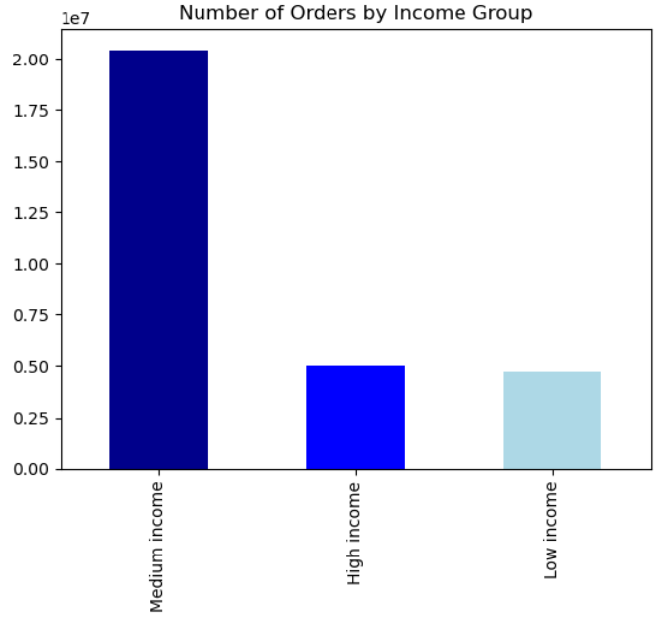

 |  |  | Q: Is there a connection between income status and ordering habits? A: The majority of our customers are classified as middle income which is defined as annual income between $56,587-$142,953. Customers who make more than $142,953 are high income; low income is less than or equal to $56,587. High income and low income are about equal in terms of number of orders.

7. Recommendations
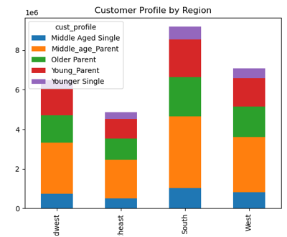
 |  | Title page

Recommendations

In this tab you should include any recommendations you would made to Instcart in terms of their marketing strategy based on the questions posed in the brief. Every key question has been covered in the Tasks of the Exercises - here you need to add an item - a visualisation or table/crosstable that is showing the answer in the data, acompanied by a comment from you. Please, list the questions below and add the answer underneath.

Question 1
 | The sales team needs to know what the busiest days of the week and hours of the day are (i.e., the days and times with the most orders) in order to schedule ads at times when there are fewer orders.
Answer
 | The busiest days of the week are Saturday and Sunday; the least busiest days are Tuesday and Wednesday. That makes them good days for the Sales team to schedule things like "Flash Sales" or promotions only good for 12-24 hours. Targeted ads for promoting departments and increasing sales will see the most customers on the busiest days of Saturday and Sunday. Additionally, not only are more orders placed on Saturday, but spend is more on that days as well. However, Friday (which is the 3rd most frequent day where orders are placed) does have more spend than Sundays.

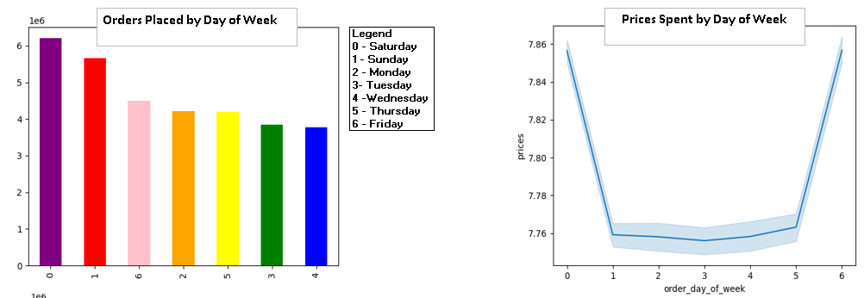

Question 2
 | They also want to know whether there are particular times of the day when people spend the most money, as this might inform the type of products they advertise at these times.

Answer 2
 | Customers place the most orders by a considerable amount during the 2 pm - 3pm hours. This would be good times for the Sales team to advertise specific products to either increase sales of those items, or continue to promote the most popular items. Interestingly, customers purchase higher price items in the earliest hours of the day: midnight, and between 2am-6am

Question 3
 | Instacart has a lot of products with different price tags. Marketing and sales want to use simpler price range groupings to help direct their efforts.
Answer 3
 | Sales of high price items (over $15) is negligible and should consider dropping higher price items to focus sales efforts on products less than $15.
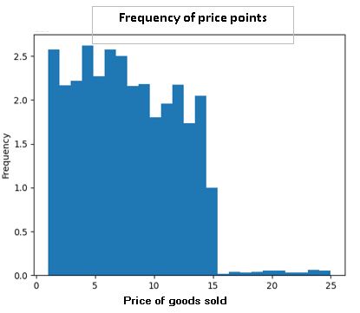

Question 4
 | Are there certain types of products that are more popular than others? The marketing and sales teams want to know which departments have the highest frequency of product orders.
Answer 4
 | Produce has the most sales followed by dairy-eggs. Promotions of these items in less frequent days of sales or hours of the day could potentially increase usage during those times to keep the system from bogging down. Consider flash sales on produce/dairy on Monday-Thursday and/or in hours of the day with less sales. Target middle-aged parents who are the highest purchasers in both categories.
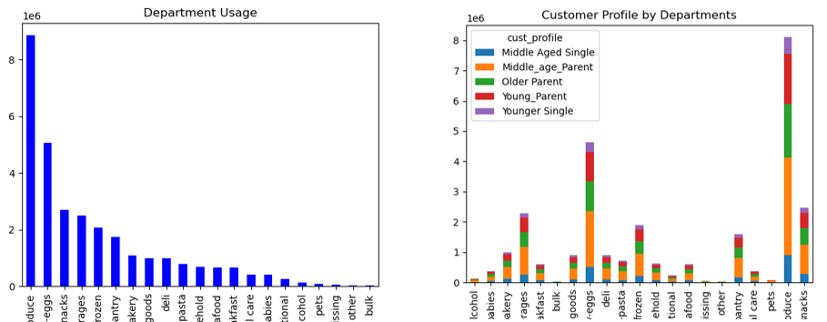

Question 5
 | The marketing and sales teams are particularly interested in the different types of customers in their system and how their ordering behaviors differ.
Answer 5
 | By region, when looking at the South, they have the largest number of overall customers, including high- and low-spenders. Middle-aged parents make up the bulk of each region suggesting targeting that demographics would have the biggest bang for the buck

